Imu Setting
The IMU is used to drive in straight line on slope and to have the correct BY Lane mowing,
The Gyro/Accel is used non stop (each 50 ms) but a drift can occur after some minutes
So the compass help to adjust the heading and continue to mow parallel
If the compass is not use you can see the drift only in by lane mowing mode,
Use or not
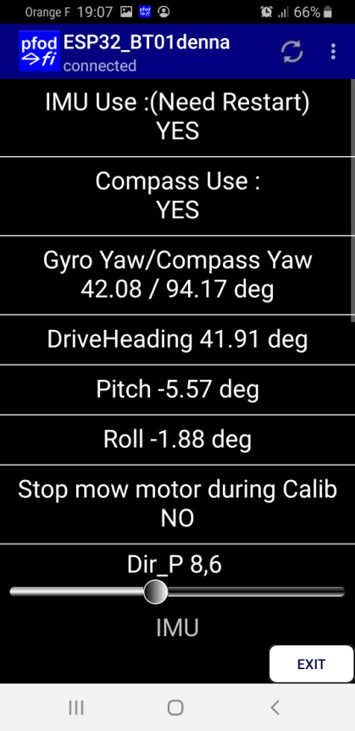
Compass can't work near metal or magnet so it's possible to deactivate it according to your chassis and IMU location inside.
If not use the heading 0 is the station and heading can drift over time when mow by lane

Actual value of Compass and Gyro/Accel

Actual Drive heading

Actual Pitch near 0 normaly

Actual Roll near 0 normaly

Stop the mow motor when the mower adjust the Gyro/Accel and the Compass into normal mowing mode

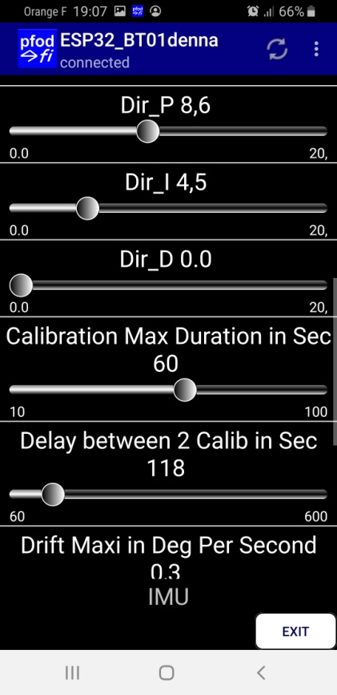
Pid setting if correctly set , the mower need to find again easily the heading when wheel slip on big slope,
Test with your foot to change the mower heading in auto mowing mode

Maxi stop duration to find the compass heading in auto mode (After this delay or 3 full rev the compass is consider to be in error and the mower continue to mow without compass in random mode)

Delay between 2 adjustement of the Gyro to Compass This help a lot to reduce Gyro Drift

Drift maxi when the mower is in calibration in auto mode, If fail the mower continue to mow without compass in random mode

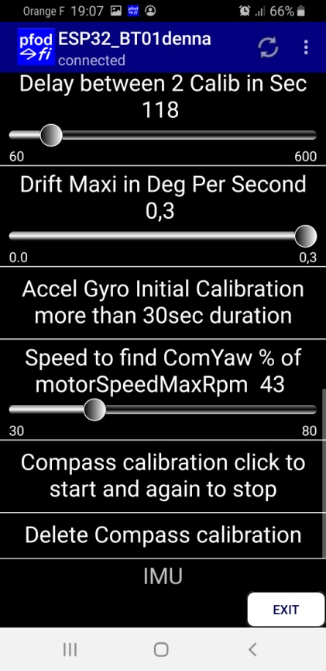

Accel/Gyro calibration (Only for GY88,GY87 Gy521)
To do only once without moving the mower during less than 1 minute and check that the Pitch and roll are near 0 at the end, Check the result in the console.

When mower roll to find the Compass heading , it's possible to reduce the speed ,

Compass calibration click to start ,Move the mower arround all the axes and Check the result in the console.
When no new data you can click again to stop and save the value

Delete all the calibration data from RTC eeprom

Odometry Setting
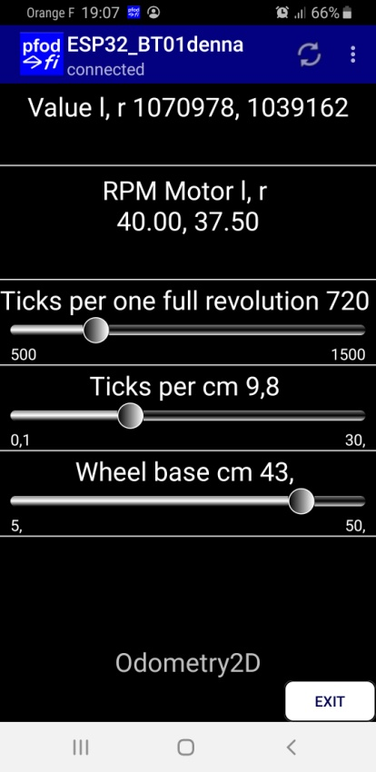
Actual Odometry count

Actual motor RPM (i need to remove from this menu )

Ticks for one full wheel rev .
Check the result with TEST ODO in main menu : 1 turn Wheel

Ticks per CM according the diameter of your wheel.
Check the result with TEST ODO in main menu : 3 meters Forward

Distance between the 2 wheels
Check the result with TEST ODO in main menu :Rotate 180Deg

Motor setting
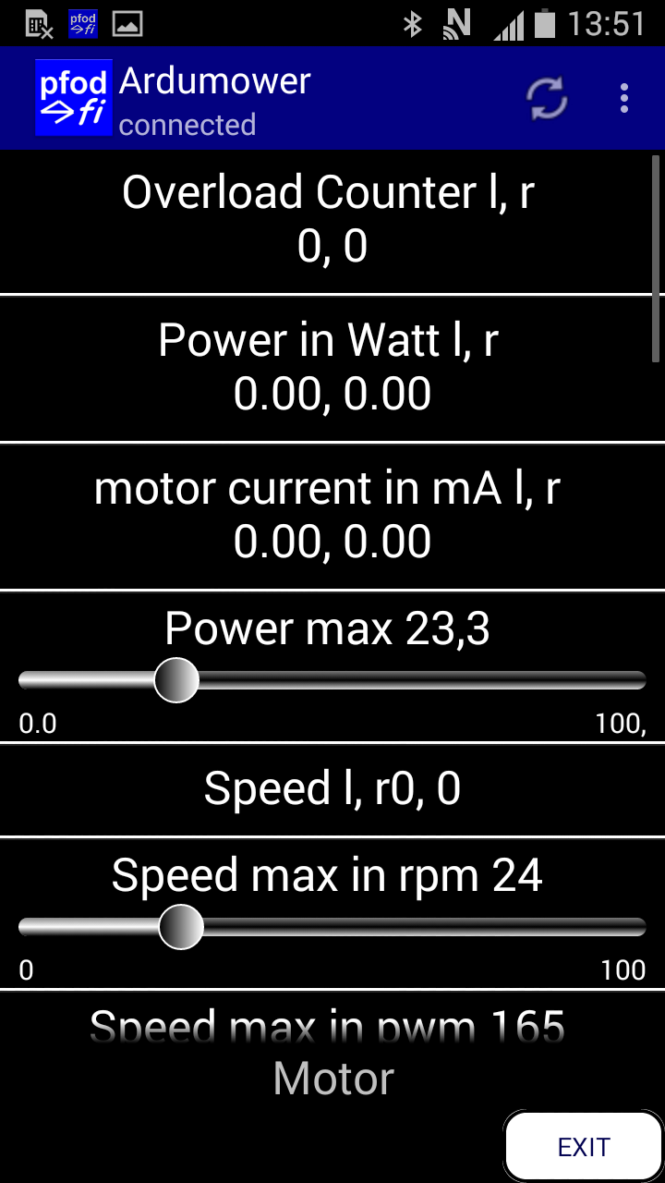

Counter of Overload ,Not important in this firmware

Actual Power of left and Right Motor in Watt

Electrical intensity of Motor in Ma Adjust with MotorSenseScale if not correct

Max power (at 80% of this value the mower stop and reverse) at 100% the mower stop and it's ERROR.
To find the best Value, put the mower in Manual and forward ,Brake the mower until the wheels slip or stop, and read max value.

Actual speed in RPM

The Max wheels speed in RPM
Adjust with PWM, In manual check that PWM is not at max value on the 2 wheel ( See Odometry setting)

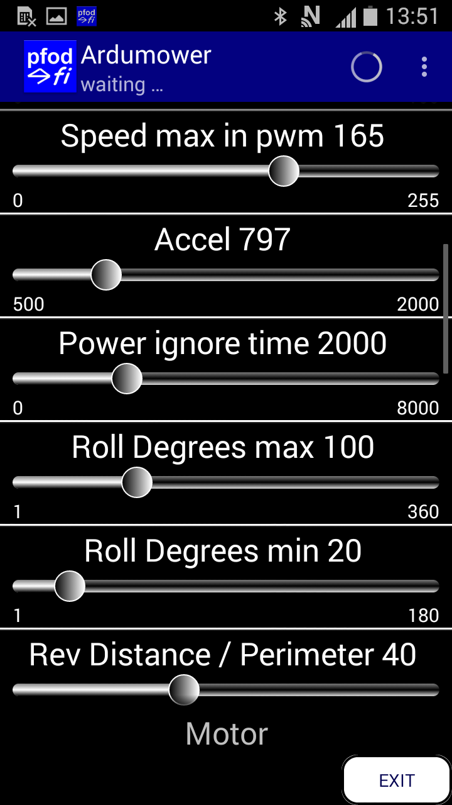

Normal speed of the mower when into mowing mode
Very Important setting

Wheel Acceleration Coeff (use into manuel mode)

During this duration the Power of motor is not manage help when accel to avoid motor error (Not use)

Into Random Mode it's the minimum and maximum roll angle to have a correct random path

After crossing wire it's the reverse distance in CM
need to be bigger than the Stop Distance,

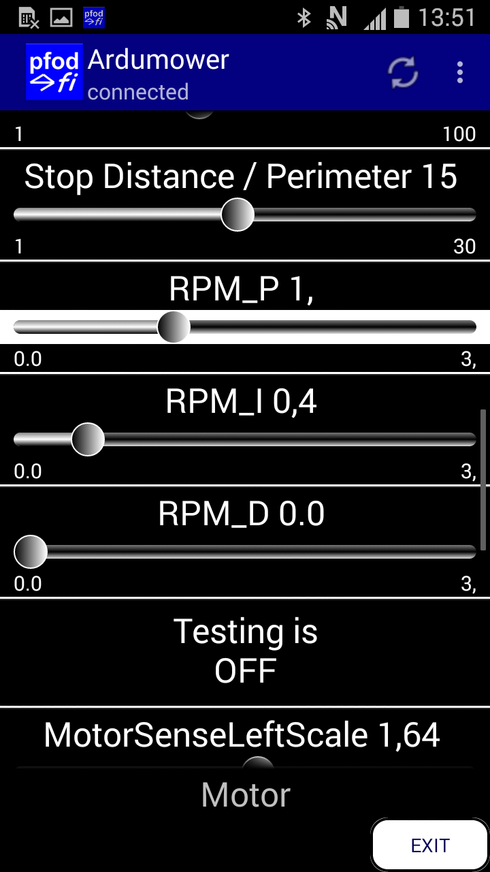

Brake distance after crossing the perimeter wire,
(The mower go over the wire in this case but help to brake and smooth movement)
Not too big to avoid perimeter timeout error

P I D parameter
Use to go in straigh line with ODOmetry (when IMU is not used or in Manual mode)

Test of motor (remove in the futur version : there is a new menu for that)

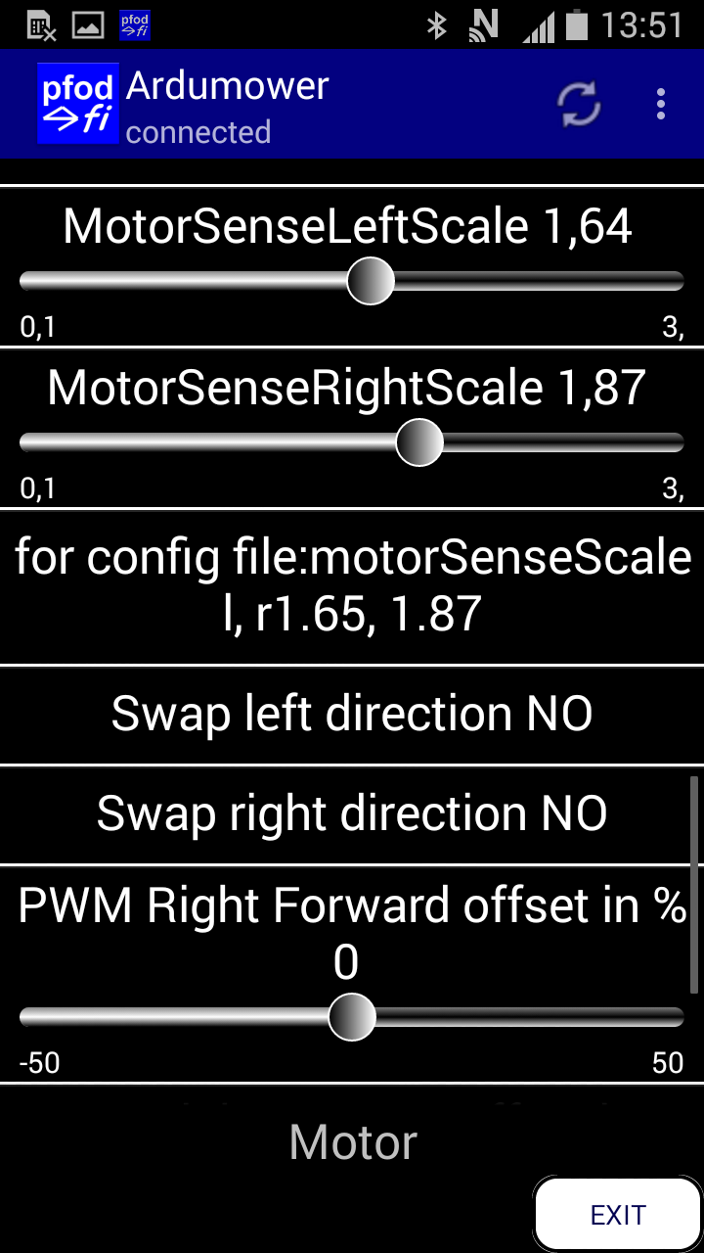

Use to perfectly set the intensity of left motor (Visible only in DEV mode)

Use to perfectly set the intensity of Right motor (Visible only in DEV mode)

I need to verify but not use

Swap is used to reverse a motor but BETTER TO INVERT THE WIRE DIRECTLY ON MOTOR

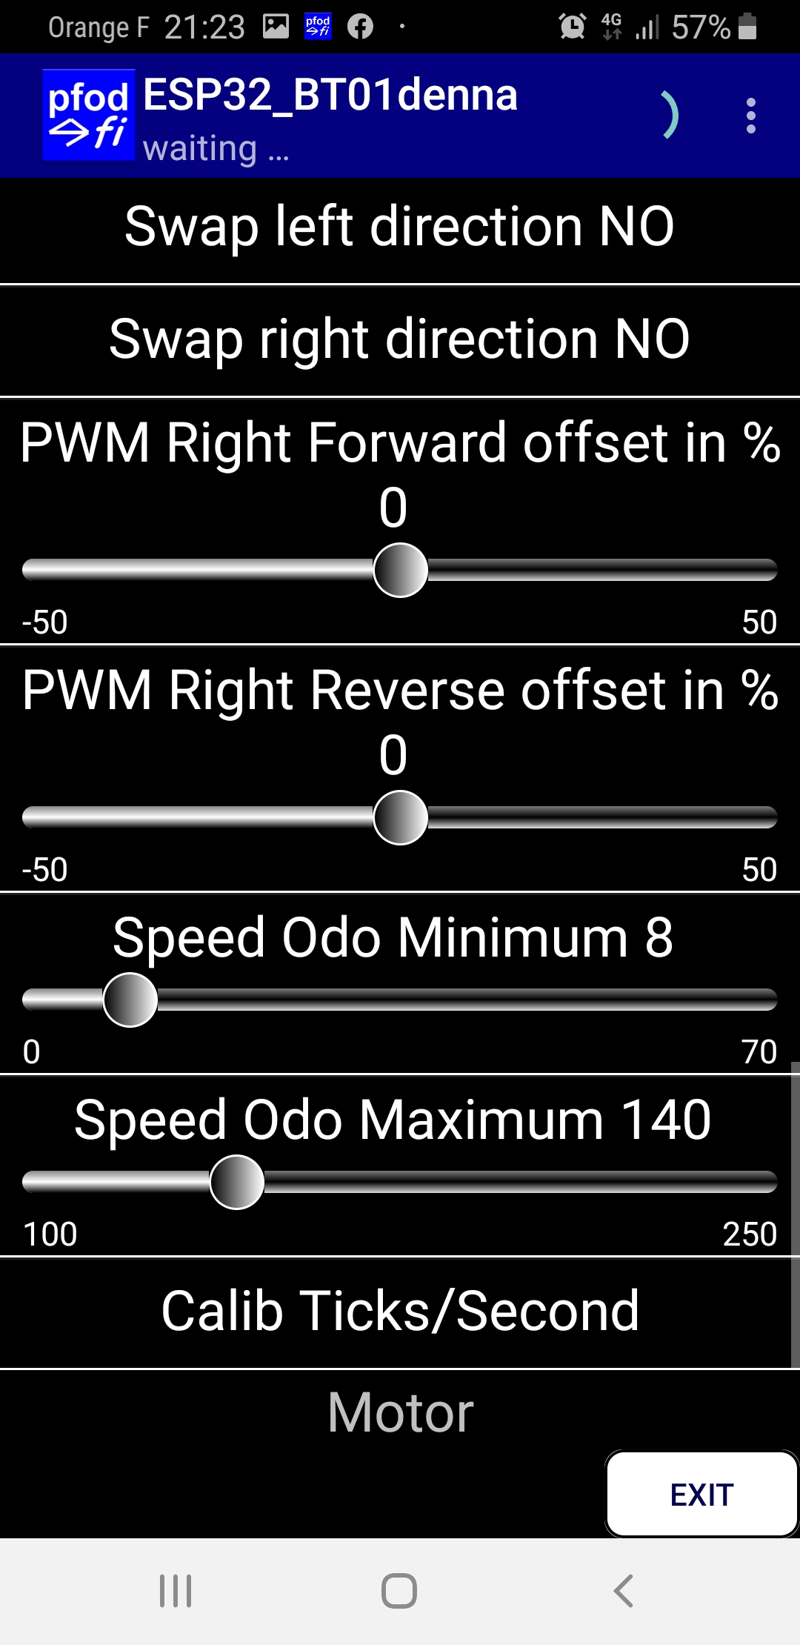

Offset to help the 2 motor to go at exactly the same speed when same PWM,easy to check into test motor 5 turn the 2 motors need to stop at the same time,Into forward and reverse Mode,

Minimum PWM for the motor to turn on small slope ,VERY IMPORTANT to avoid long pause during mowing

Maximum PWM Avoid mower go too fast when adding the PID (need to be smaller than MaxPWM)

Warning MOWER MOVE when click
To do once into normal grass to help the firmware to compute all the state duration and avoid wait at the end of state on slope or big grass

Timer Setting
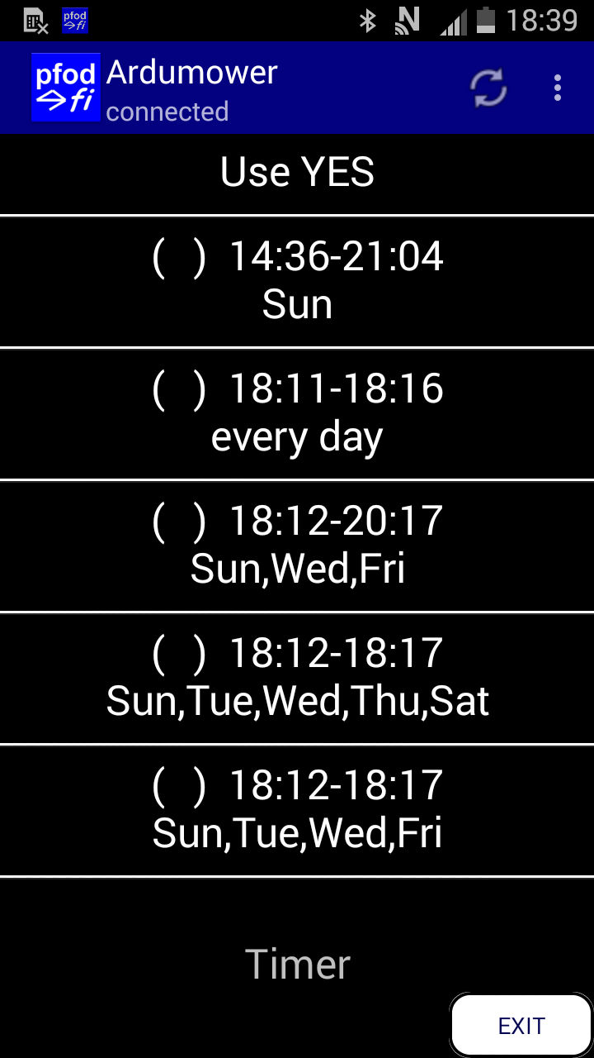
When use the Go to Station
All timer are deactivate for the next 2 hours.
To skip this pause : set one of the 5 timer Use from Yes to No and again Yes

Use or Not for All the timer

Here are the 5 Timers you can use
Each timer can be adjust by clicking

Detail Menu for the first Timer

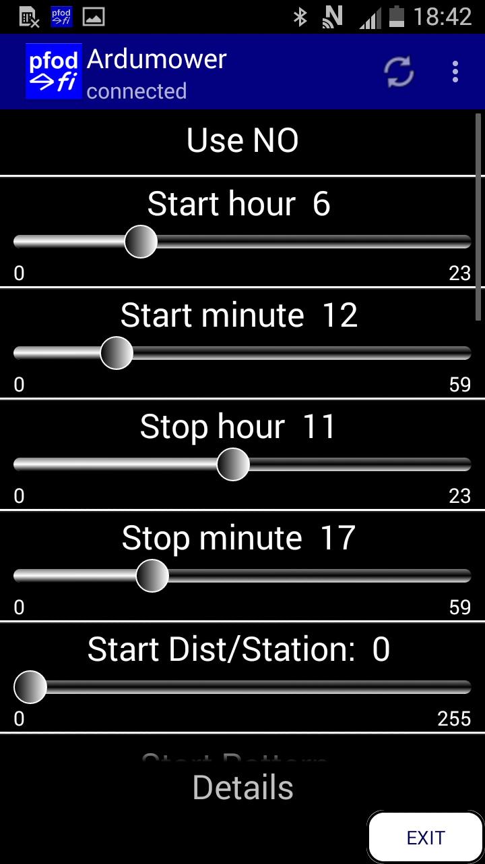

Use or Not this timer

When you want to start

When you want to stop

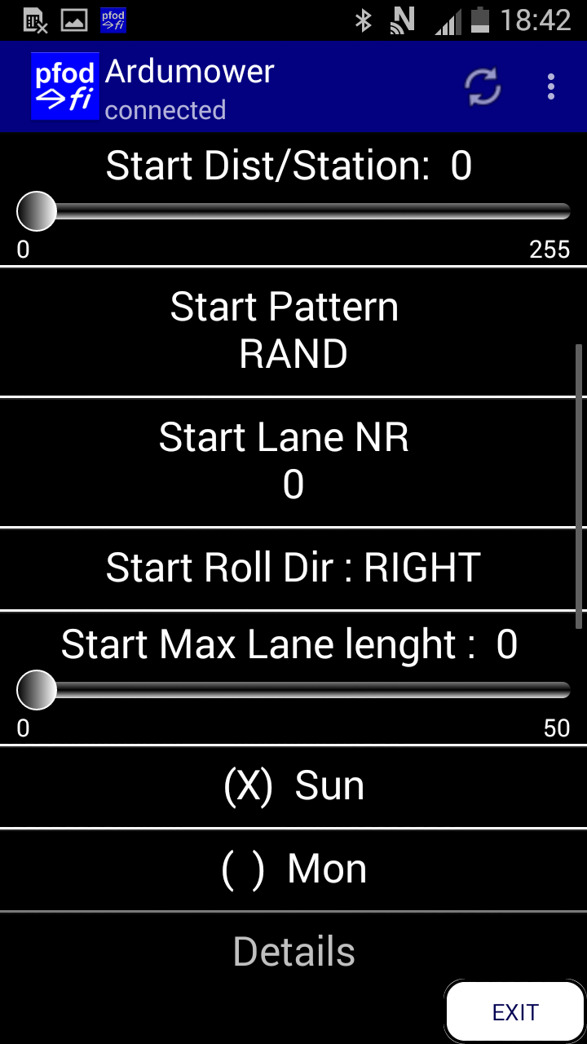

When it's time the mower reverse, make a circle arround the station to reach the perimeter wire and track for the distance you choise After this distance it rotate and start to mow.

Here you can choise the pattern Random or By lane mowing

If Bylane mowing you can set the Lane Nr ,the first rollDir and the max lane lenght

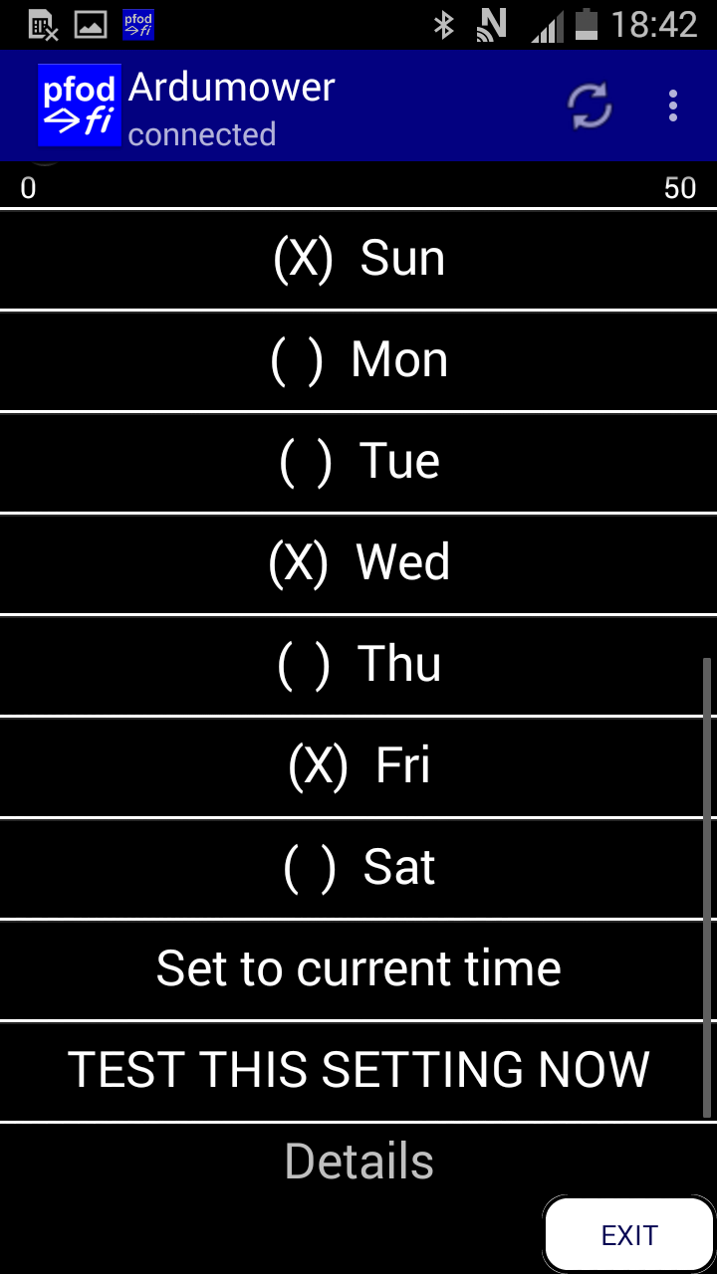

Here are the Day you want this timer is active

Helper to directly set the timer to current time

Not use

Station Setting
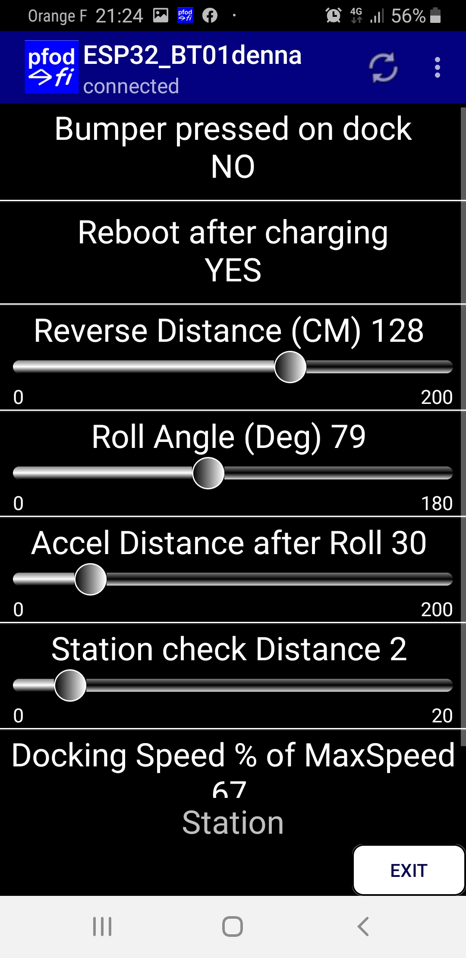

Set to YES if the Bumper is pressed when mower hit the station

At the end of the charging state the mower reboot

When leave the station it's reverse distance

After reverse it's the roll angle

After Roll it's the straight line before arc circle to avoid station

When the mower detect the station it try to gently go forward to this distance to be sure the contact is OK

During the tracking the right sonar is used to reduce the speed when something or station is on the wire.

Battery Setting
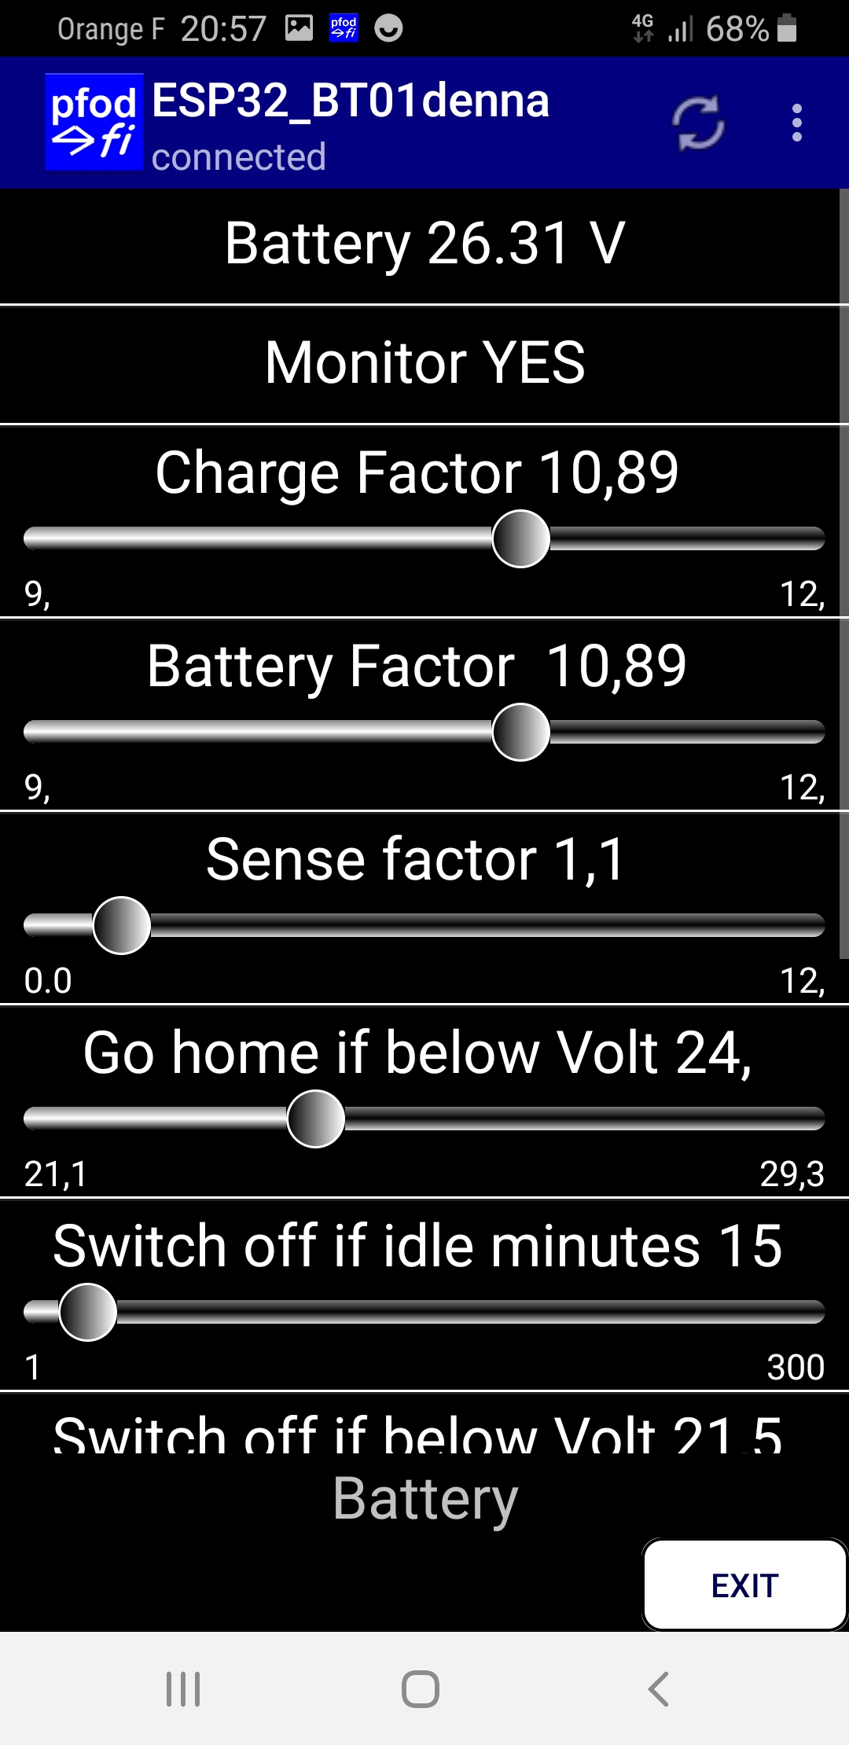
Actual Battery Voltage

Manage or not the battery

Coeff to adjust the Chargeur voltage
Only visible on Dev Mode

Coeff to adjust the Battery voltage
Only visible on Dev Mode

Coeff to adjust the charge sense battery
Only visible on Dev Mode

Voltage to return to station

If the mower is into state OFF or ERROR
The PCB is automaticly totaly power OFF after this duration

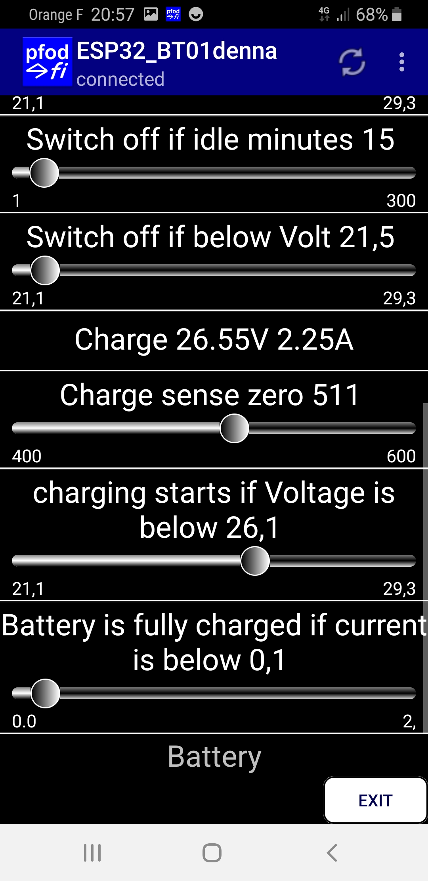

If the battery voltage is under this value
The PCB is automaticly totaly power OFF
to avoid damage

Actual Charge Voltage and sense

Not Use

The charging start if the voltage
is under this value

The charging stop if the charging
sense is under this value

Perimeter Setting
Use or Not
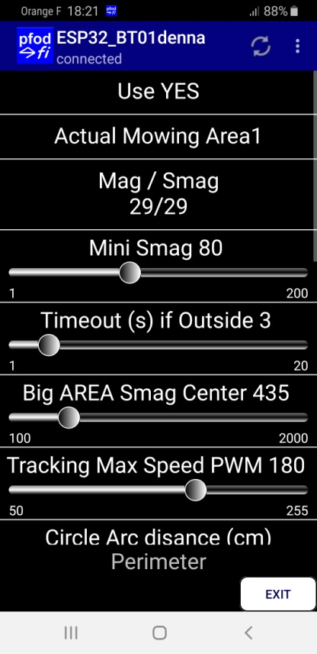
See or Change the Actual Mowing Area

Mag is the realtime result of wire Power,negative if the mower is inside the Area
Smag is averrage and smooth of the reading

Value use to detect a sender issue or cutting wire
If Smag is lower it's ERROR

If the Mag is positive (Mower outside) during this duration it's ERROR

On Big Area the noise into Mag in the middle area can change from positive to negative,This setting allow the mower to skip it (Always > at Mini Smag)

Normal Tracking PWM speed

When hit obstacle while tracking it's the Arc value
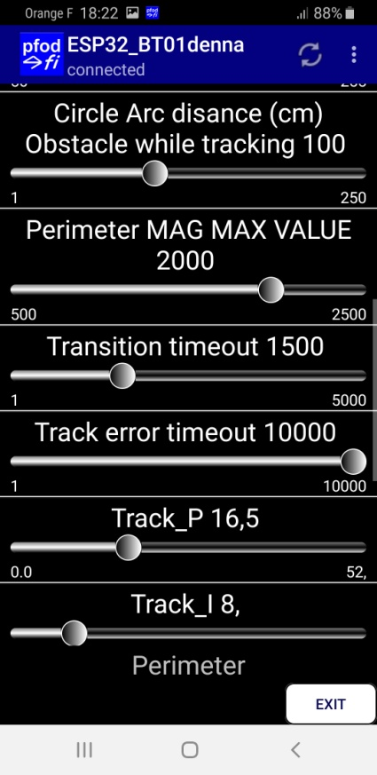

The maximum value you can read when mower is near the wire (Use when tracking)

When tracking it's the duration before full roll

While tracking if the mower never change from inside to outside for this duration it's ERROR

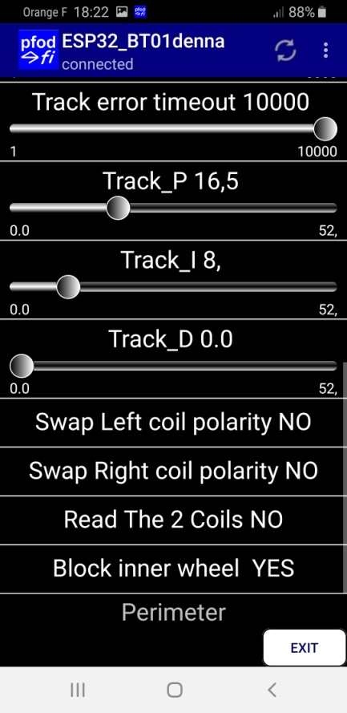
PID for tracking Change value according to your chassis

Software reverse left coil Inside Outside

Software reverse right coil Inside Outside

Read Left and right coil (Not usefull actualy)

Avoid the 2 wheels run at opposite direction while tracking for smooth movement

Mow Setting
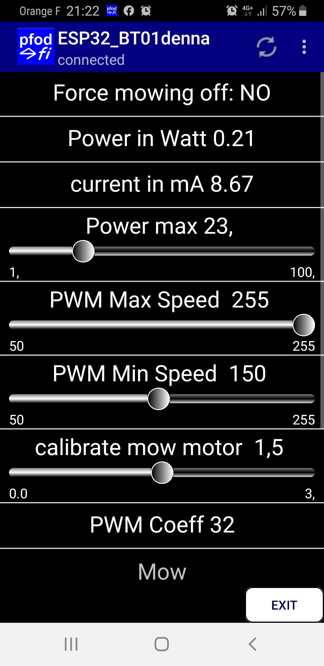

Set to YES during all test to avoid motor start

Actual Mow Motor power and current

Max Power,
At 80% the mow spirale start,
At 100% during 5 Seconds the motor stop for one minute,
Error can occur by motor driver itself if power realy too high,
Reset the mower to reinit the error

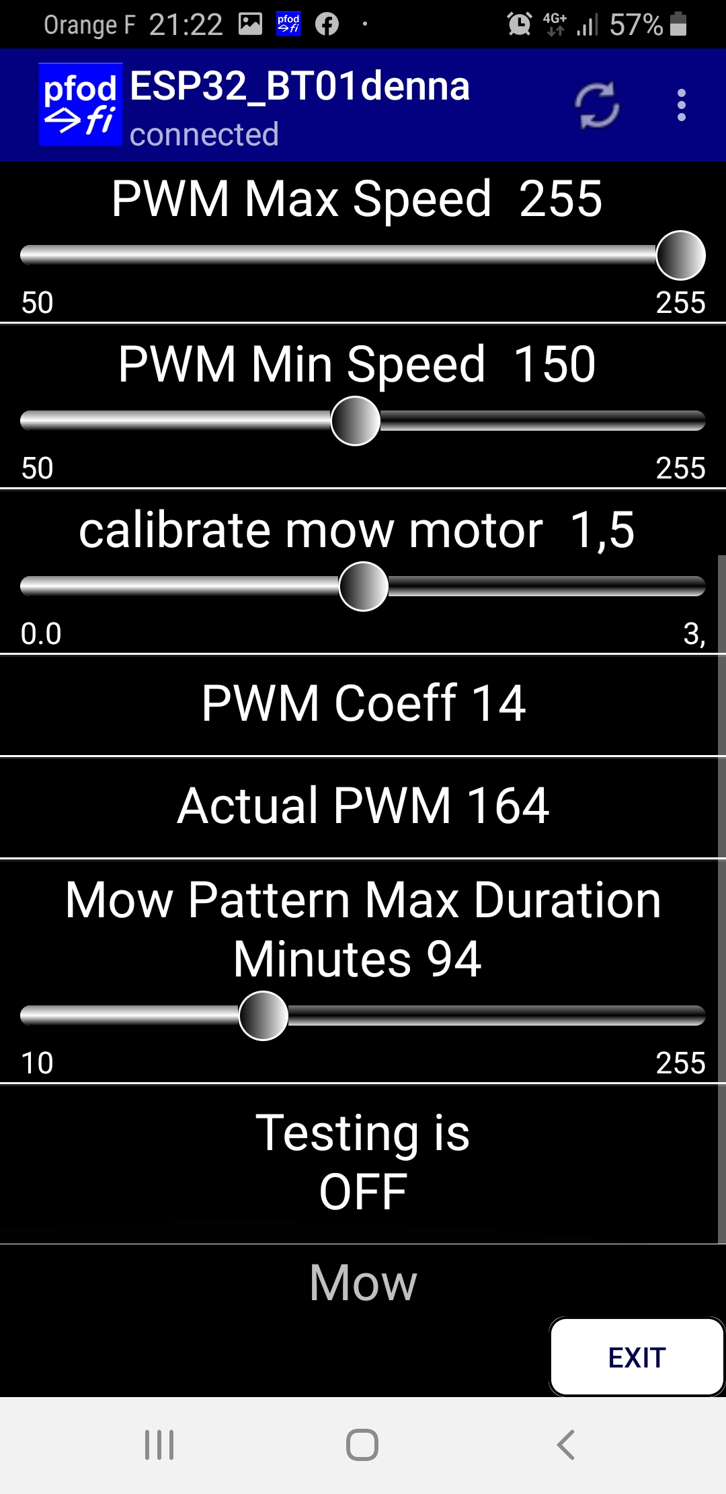

The max and min speed of the mow motor,
Speed is automaticly adjust between min and max according the high of the grass,
Reduce noise and increase mowing duration

Use to perfectly set the intensity of motor (Visible only in DEV mode)

Result of the compute speed coeff.

The actual motor Speed

Auto mow pattern change when mowing to avoid trackon the grass,swap between random and lane

To test the motor

